Sheet1
54MHz
16
LRCK
DATA
BCLK
GND
VDATA5
VDATA6
VDATA4
VDATA2
VDATA1
VDATA3
VDATA0
CSEL
3V3
VDATA7
1
12V
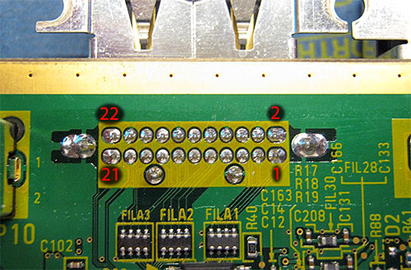 |  |  | 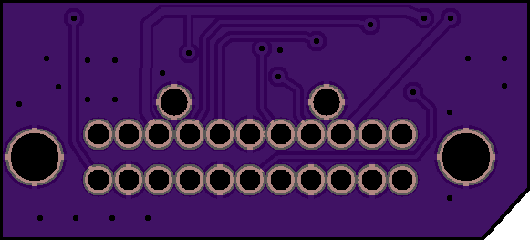 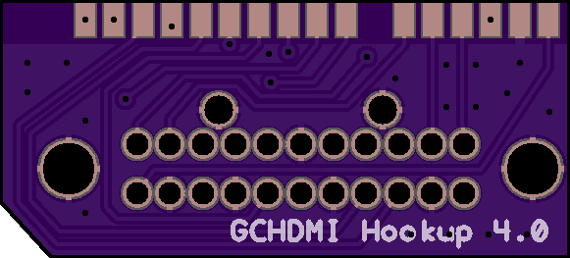
GameCube DV Pin | Signal |  | GCHDMI Hookup Pin | Signal |  | GCHDMI Hookup Pin | Signal
1 | DetectCable (pull high 1.8V) | #N/A | 1 | +12V | 5 | 1 | VDATA0 (CP09)
2 | 54MHz Clock | 16 | 2 | +3.3V | 17 | 2 | VDATA1 (CP08)
3 | ClkSelect (CP10) | 11 | 3 | VDATA7 (CP01) | 18 | 3 | VDATA2 (CP07)
4 | GND | 15 | 4 | VDATA5 (CP03) | 15 | 4 | VDATA3 (CP06)
5 | +12V | 1 | 5 | VDATA6 (CP02) | 16 | 5 | VDATA4 (CP04)
6 | 27MHz Clock | #N/A | 6 | VDATA4 (CP04) | 13 | 6 | VDATA5 (CP03)
7 | VDATA0 (CP09) | 10 | 7 | VDATA2 (CP07) | 10 | 7 | VDATA6 (CP02)
8 | GND | 15 | 8 | VDATA1 (CP08) | 9 | 8 | VDATA7 (CP01)
9 | VDATA1 (CP08) | 8 | 9 | VDATA3 (CP06) | 12 | 9 | ClkSelect (CP10)
10 | VDATA2 (CP07) | 7 | 10 | VDATA0 (CP09) | 7 | 10 | 27MHz Clock
11 | GND | 15 | 11 | ClkSelect (CP10) | 3 | 11 | +3.3V
12 | VDATA3 (CP06) | 9 | 12 | LRCK (Audio) | 19 | 12 | LRCK (Audio)
13 | VDATA4 (CP04) | 6 | 13 | Data (Audio) | 21 | 13 | Data (Audio)
14 | GND | 15 | 14 | BCLK (Audio) | 22 | 14 | BCLK (Audio)
15 | VDATA5 (CP03) | 4 | 15 | GND | 4 | 15
16 | VDATA6 (CP02) | 5 | 16 | 54MHz Clock | 2 | 16
17 | +3.3V | 2
18 | VDATA7 (CP01) | 3
19 | LRCK (Audio) | 12
20 | GND | 15
21 | Data (Audio) | 13
22 | BCLK (Audio) | 14

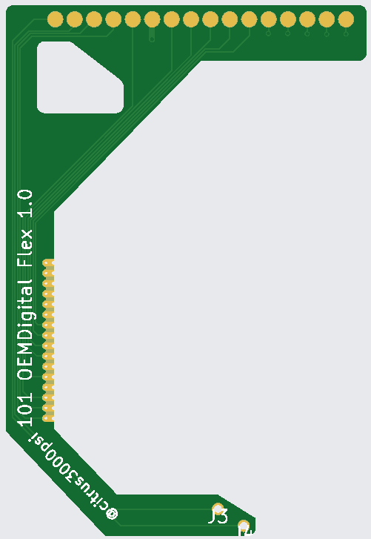
16
27MHz
X
3V3
LCLK
DATA
BCLK
CDET
54MHz
X
Missing
12V
GND
VDATA7
CSEL
VDATA5
VDATA6
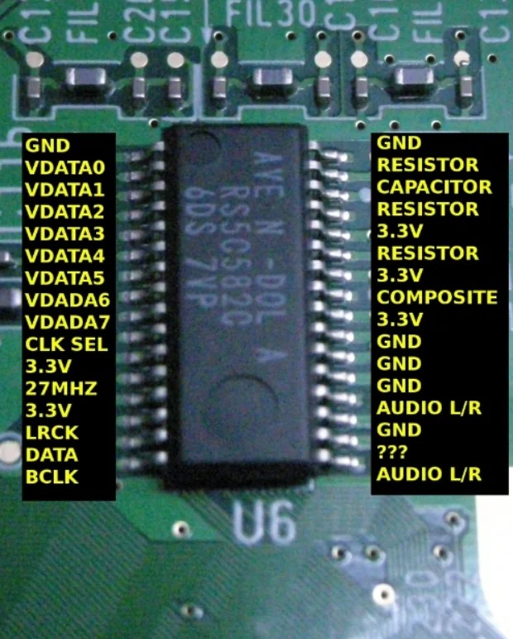
1
VDATA0
VDATA1
VDATA2
VDATA3
VDATA4
 |  |  |  |  |  |  | GCHDMI Hookup Pin | Signal
 |  |  |  |  |  |  | 1 | VDATA0 (CP09)
 |  |  |  |  |  |  | 2 | VDATA1 (CP08)
 |  |  |  |  |  |  | 3 | VDATA2 (CP07)
 |  |  |  |  |  |  | 4 | VDATA3 (CP06)
 |  |  |  |  |  |  | 5 | VDATA4 (CP04)
 |  |  |  |  |  |  | 6 | VDATA5 (CP03)
 |  |  |  |  |  |  | 7 | VDATA6 (CP02)
 |  |  |  |  |  |  | 8 | VDATA7 (CP01)
 |  |  |  |  |  |  | 9 | ClkSelect (CP10)
 |  |  |  |  |  |  | 10 | 27MHz Clock
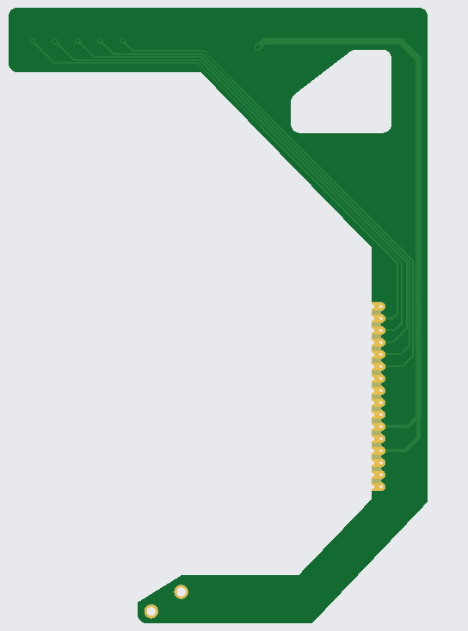
 |  |  |  |  |  |  | 11 | +3.3V
 |  |  |  |  |  |  | 12 | LRCK (Audio)
 |  |  |  |  |  |  | 13 | Data (Audio)
 |  |  |  |  |  |  | 14 | BCLK (Audio)
 |  |  |  |  |  |  | 15 | DetectCable (pull high 1.8V)
 |  |  |  |  |  |  | 16 | 54MHz Clock

GND

3v3

3v3

CDET

54MHz

